Sheet1
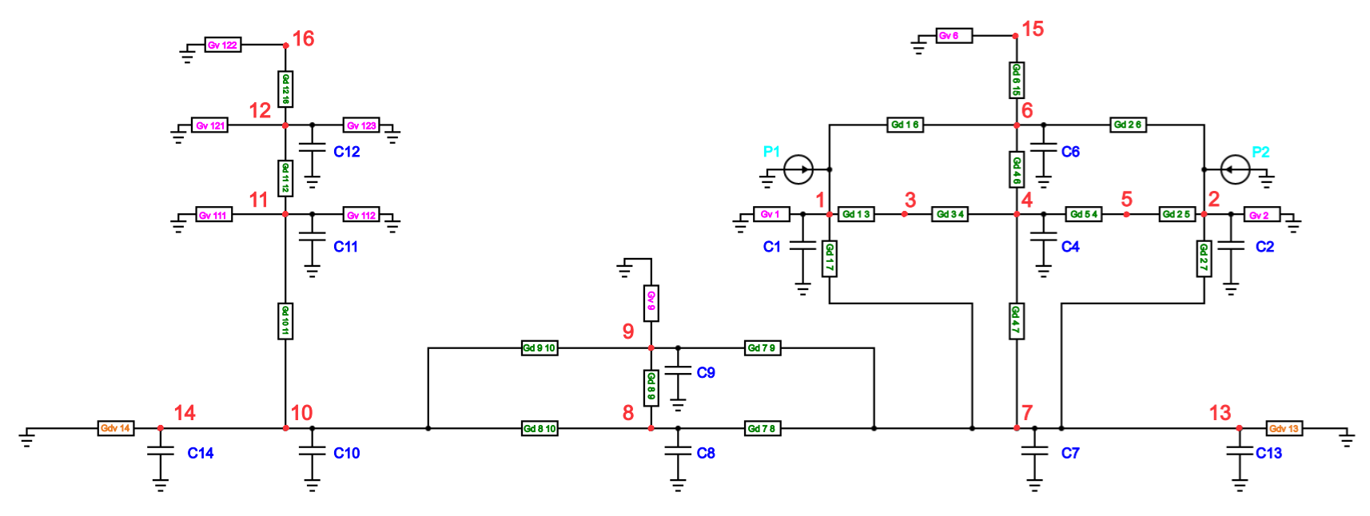
 |  |  |  |  |  |  |  |  |  |  | Distance inside Bobbin to tooth |  |  | Heat transfer Coefficient Iron x | in W/mK |  | Heat transfer Coefficient Iron y | in W/mK
 |  |  |  |  |  |  |  |  |  |  | 0.9 |  |  | 15.8753 |  |  | 11.2913

 |  |  |  |  |  |  |  |  |  |  | Width Winding |  |  | Heat transfer Coefficient Copper | in W/mK
 |  |  |  |  |  |  |  |  |  |  | 3.95 |  |  | 360

 |  |  |  |  |  |  |  |  |  |  | Height Winding |  |  | Heat transfer Coefficient Bobbin | in W/mK
 |  |  |  |  |  |  |  |  |  |  | 19.75 |  |  | 0.07

 |  |  |  |  |  |  |  |  |  |  | Bobbin thickness bottom
 |  |  |  |  |  |  |  |  |  |  | 2.4

 |  |  |  |  |  |  |  |  |  |  | Tooth side to center midpoints
 |  |  |  |  |  |  |  |  |  |  | 4.59674

 |  |  |  |  |  |  |  |  |  |  | Height Tooth
 |  |  |  |  |  |  |  |  |  |  | 23

 |  |  |  |  |  |  |  |  |  |  | Yoke Thickness
 |  |  |  |  |  |  |  |  |  |  | 5

 |  |  |  |  |  |  |  |  |  |  | Tooth to Tooth arc distance
 |  |  |  |  |  |  |  |  |  |  | 11.238 |  | 10 |  |  | All in mm^2
 |  |  |  |  |  |  |  |  |  |  |  |  | 16
Conductacnes Conduction |  | Area 1 in mm^2 | Area 2 in mm^2 | Distance 1 in mm | Distance 2 in mm | Distance 3 in mm | K 1 | K 2 | K 3 | Conductances Convecction |  | Area in mm^2 | h |  |  | tooth side total
Gd_1_3 | 0.045067894474 | 579.691605 | N/A | 1.975 | 0.9 | N/A | 360 | 0.07 | N/A | Gv_1 | 0.013822865696 | 863.929106 | 16 | Coil Outside surface |  | 592.94786 |  | 496.93583
Gd_1_6 | 0.04316782733 | 579.691605 | 296.47393 | 1.975 | 0.9 | 4.59674 | 360 | 0.07 | 15.8753 | Gv_2 | 0.013822865696 | 863.929106 | 16 | 247.233556 |  |  |  | 192.02406
Gd_1_7 | 0.0020403636594 | 70.22325 | 299.3425 | 9.875 | 2.4 | 5 | 360 | 0.07 | 11.2913 | Gv_3 | 0 |  |  | 740.312328
Gd_2_5 | 0.045067894474 | 579.691605 | N/A | 1.975 | 0.9 | N/A | 360 | 0.07 | N/A | Gv_4 | 0
Gd_2_6 | 0.04316782733 | 579.691605 | 296.47393 | 1.975 | 0.9 | 4.59674 | 360 | 0.07 | 15.8753 | Gv_5 | 0 |  |  |  |  | bobbin vertical surface
Gd_2_7 | 0.0020403636594 | 70.22325 | 299.3425 | 9.875 | 2.4 | 5 | 360 | 0.07 | 11.2913 | Gv_6 | 0 |  |  |  |  | 579.691605 |  | 488.99391
Gd_3_4 | 1.0239022831 | 296.47393 | N/A | 4.59674 | N/A | N/A | 15.8753 | N/A | N/A | Gv_7 | 0 |  |  |  |  |  |  | 181.39539
Gd_4_6 | 0.15601238303 | 158.896 | N/A | 11.5 | N/A | N/A | 11.2913 | N/A | N/A | Gv_8 | 0
Gd_4_7 | 0.21348459921 | 158.896 | 299.3425 | 5.75 | 5 | N/A | 11.2913 | 11.2913 | N/A | Gv_9 | 0.0013889486 | 138.89486 | 10 |  |  | Bobbin bottom surface
Gd_5_4 | 1.0239022831 | 296.47393 | N/A | 4.59674 | N/A | N/A | 15.8753 | N/A | N/A | Gv_10 | 0 |  |  |  |  | 140.4465 |  | 280.893
Gd_6_15 | 0.31202476605 | 158.896 | N/A | 5.75 | N/A | N/A | 11.2913 | N/A | N/A | Gv_11 | 0.0059294786
Gd_7_8 | 0.13277927889 | 99.40267 | 49.701335 | 8.54674 | 1.669 | N/A | 15.8753 | 15.8753 | N/A | Gv_12 | 0.0059294786 |  |  |  |  | Top of tooth
Gd_7_9 | 0.13277927889 | 99.40267 | 49.701335 | 8.54674 | 1.669 | N/A | 15.8753 | 15.8753 | N/A | Gv_13 | 0.0133707674 | 13370.7674 | 1 |  |  | 158.896
Gd_8_9 | 0.15507835 | 68.67161 | N/A | 5 | N/A | N/A | 11.2913 | N/A | N/A | Gv_14 | 0.0133707674 | 13370.7674 | 1
Gd_8_10 | 0.13277927889 | 49.701335 | 99.40267 | 1.669 | 8.54674 | N/A | 15.8753 | 15.8753 | N/A | Gv_15 | 0.00158896 | 158.896 | 10 |  |  | Stator yoke cut surface
Gd_9_10 | 0.13277927889 | 49.701335 | 99.40267 | 1.669 | 8.54674 | N/A | 15.8753 | 15.8753 | N/A | Gv_16 | 0.00158896 |  |  |  |  | 99.40267
Gd_10_11 | 0.21348459921 | 299.3425 | 158.896 | 5 | 5.75 | N/A | 11.2913 | 11.2913 | N/A
Gd_11_12 | 0.15601238303 | 158.896 | N/A | 11.5 | N/A | N/A | 11.2913 | N/A | N/A |  |  |  |  |  |  | Stator yoke top surface
Gd_12_16 | 0.31202476605 | 158.896 | N/A | 5.75 | N/A | N/A | 11.2913 | N/A | N/A |  |  |  |  |  |  | 209.11811
Gd_7_13 | 0.18463732453 | 99.40267 | N/A | 8.54674 | N/A | N/A | 15.8753 | N/A | N/A | Gv_111 | 0.0029647393 | 296.47393 | 10 |  |  | Total stator surface area
Gd_10_14 | 0.18463732453 | 99.40267 | N/A | 8.54674 | N/A | N/A | 15.8753 | N/A | N/A | Gv_112 | 0.0029647393 | 296.47393 | 10 |  |  | 26703.08416
 |  |  |  |  |  |  |  |  |  | Gv_121 | 0.0029647393 | 296.47393 | 10
 |  |  |  |  |  |  |  |  |  | Gv_122 | 0.00158896 | 158.896 | 10
 |  |  |  |  |  |  |  |  |  | Gv_123 | 0.0029647393 | 296.47393 | 10
Thermal Capacitances |  | Mass | Specific heat capacity in J/KgK |  |  | Stator Volume in m^3 | Stator mass in kg | Density kg/m^3
C1 | 8.0128125 | 0.0208125 | 385 |  |  | 7.140789677E-05 | 0.52 | 7282.1077713
C2 | 8.0128125 | 0.0208125 | 385 |  | Iron Percentage in SMC
C3 | 0.1 | 0 | 0 |  | 0.93 | Total Winding mass in kg
C4 | 5.3891549406 | 0.014173389406 | 408.85 |  | 0.93 | 0.041625
C5 | 0.1 | 0 | 0 |  | 0.93
C6 | 5.3891549406 | 0.014173389406 | 408.85 |  | 0.93 | Stator tooth volume
C7 | 2.1998193684 | 0.0057854889821 | 408.85 |  | 0.93 | 3.89266126E-06
C8 | 1.4475571086 | 0.0038070515349 | 408.85 |  | 0.93
C9 | 1.4475571086 | 0.0038070515349 | 408.85 |  | 0.93 | node 7 volume
C10 | 2.1998193684 | 0.0057854889821 | 408.85 |  | 0.93 | 7.9448E-07
C11 | 5.3891549406 | 0.014173389406 | 408.85 |  | 0.93
C12 | 5.3891549406 | 0.014173389406 | 408.85 |  | 0.93 | Volume yoke between teeth
C13 | 84.434243642 | 0.22206068067 | 408.85 |  | 0.93 | 1.04559055E-06
C14 | 84.434243642 | 0.22206068067 | 408.85 |  | 0.93
C15 | 0.1 | 0 | 0 |  |  | Specific heat capacity iron
C16 | 0.1 | 0 | 0 |  |  | 408.85

 |  |  | Small Capacity value
 |  |  | 0.1

